Sheet1
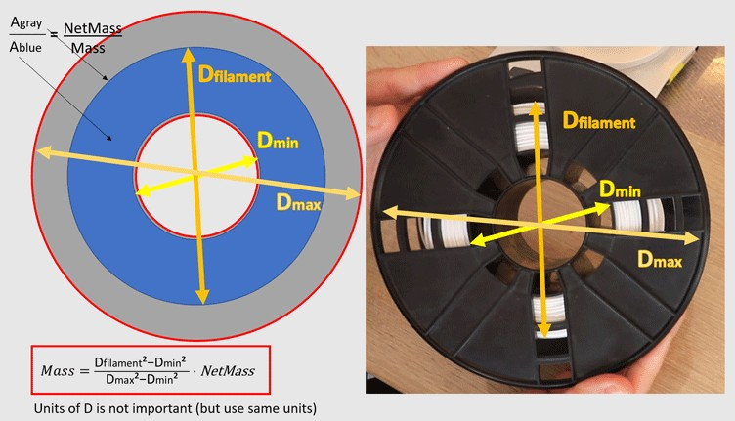
MyTechFun, "how much filament" calculator

Dmin | 87 | mm | *you can use any length units here!
Dmax | 181 | mm
Dfilament | 140 | mm

Net weight | 1000 | g

Current mass | 477.6 | g | (Dfilament²-Dmin²)/(Dmax²-Dmin²)*NettoMass

 | Density kg/L
PLA | 1.24
PETG | 1.3
ABS | 1.1
ASA | 1.06
Nylon | 1.15

