Sheet1
 |  | Hardened steel vs brass nozzle |  |  |  | MyTechFun.com, 2023-08-15
 |  | About layer adhesion..

 |  |  | Break load (kg)

 |  | 0.6 mm nozzle (hardened: noname)
my marking |  |  | T1 | T2 | T3 | T4 | Average
 | * | Brass 215°C | 62 | 61.4 | 60.2 | 58.6 | 60.6
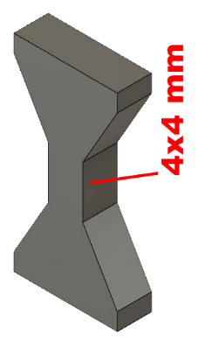
 | * | HS 215°C | 22 | 19.6 | 26.8 | 23.2 | 22.9
10 |  | HS 225°C | 24.8 | 32.6 | 25.8 | 27.4 | 27.7
20 |  | HS 235°C | 50.4 | 41 | 40.6 | 38.6 | 42.7
30 |  | HS 245°C | 55 | 52.4 | 57.2 | 57 | 55.4

 |  | 0.4mm nozzle (hardened: nozzle X)
 |  |  | T1 | T2 | T3 | T4 | Average
 | * | Brass 215°C | 53.4 | 54.2 | 54.8 | 51.2 | 53.4
215 |  | HS 215°C | 49.6 | 40 | 41.6 | 40.8 | 43.0
225 |  | HS 225°C | 57 | 52.4 | 50 | 54.2 | 53.4
235 |  | HS 235°C | 54.2 | 53.8 | 56.6 | 59.8 | 56.1
245 |  | HS 245°C | 57.8 | 61.2 | 55.2 | 58.2 | 58.1

 |  | HS = hardened steel nozzle
 |  | * Experiments from previous video (CHT nozzle)

 |  | Same g-code was used (for one size), manually changed the print temperature.
0.6 mm, break load (kg)

No name hardened steel nozzle

CHT BiMetal 215°C: 57,6 kg

0.4 mm, break load (kg)

Nozzle X hardened steel

